Project 1
Project 1
1. | Create a Table in cell B14 using the "Product List.pdf" file from the Chapter 2 Exercise File. HINT: Preview both Table 001 and Page001 to see which one has headers available for your Table.
2. | 1. Insert a Note with the current street address that states, "Need to update the new address before August 1, 2022". 2. Convert the Note to a Comment. 3. Change the Comment to be a Directed Comment to Kim Trung (@ktrung).
3. | Configure the "Product List" Table as a Print Area as follows: 1. Repeat the column headings on each printed page. 2. Configure document to print Landscape. 3. Set all Margins to 2.0".
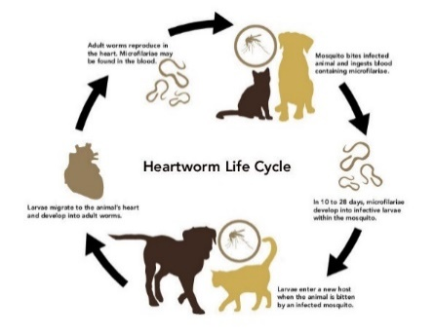

 |  | Wisdom Pet Medicine Customer List
 |  | 4621 36th Avenue Southwest
 |  | Seattle, WA 98126
 |  | (123) 456-7890
 |  | For internal use only

 | Product or Service | Price
 | Dog Vaccination Package | 65
 | Cat Vaccination Package | 55
 | Rabies 1 or 3 year Vaccination | 18
 | Parasite Treatment Package | 75
 | Microchip Service | 15
 | Basic Teeth Cleaning and Exam | 100
 | Strong Joints Dog Supplement | 5.87
 | Healthy Coat Dog Supplement | 6.44
 | Probiotic Dog Treats | 8.89
 | Small Hypoallergenic Pet Bowl | 6.55
 | Large Hypoallergenic Pet Bowl | 8.14
 | Cat Hairball Remedy Gel | 6
 | Probiotic Cat Treats | 7.89
 | Here Kitty Kitty Organic Catnip | 7.75
 | Calm Cat Anxiety Relief Spray | 9.49
 | Medicated Dog Shampoo | 8.73
 | Strong Joints Cat Supplement | 5.53
 | Healthy Coat Dog Supplement | 9.56
 | Senior Dog Vitamin Chews | 9.66
 | Kidney Support Liquid Dietary Supplement | 9.12
 | Advance Pet Oral Care Toothbrush and Toothpaste | 9.55

